Instructions
Commercial & Industrial Application for Energy Efficiency Incentives
ENERGY SMART Program
Brought to you by
Traverse City Light & Power

2012 APPLICATION INSTRUCTIONS

STEP 1: | PRE-APPROVAL (Required for all measures, except where indicated/noted)
 |  | Pre-approval is strongly recommended for all projects, it reserves money for your project.
- | Pre-approval applications must be submitted with the following supporting documentation:
 | · | Completed and signed 2012 Pre-Approval Agreement (page 2)
 | · | Completed prescriptive worksheet(s) (pages 4 ─ 7), and/or completed custom application (page 11)
 | · | Itemized quote/proposal for material and any applicable external labor (see sample, page 12)
 | · | Equipment specification sheets for related equipment
 | · | Copy of a recent electric utility bill
- | Incomplete applications will cause delays.
- | If a project meets the pre-approval criteria, the customer will receive a pre-approval letter via email indicating that the funds have been reserved.
- | This letter must be signed and returned within 7 business days.
 | · | Once the letter is returned, funds are reserved for your project.

STEP 2: | INSTALLATION OF EQUIPMENT
- | From the date of issuance of the pre-approval letter, customers will have 90 days to complete the installation and submit all payment approval documentation or the pre-approval application and fund reservation will be cancelled.
- | All projects must be installed and operational by December 31, 2012.

STEP 3: | PAYMENT APPROVAL
- | Upon project completion, customers must submit the following documents in order to receive payment:
 | · | Completed and signed 2012 Payment Approval Agreement (page 3)
 | · | Itemized invoice for material and any applicable external labor (see sample, page 12)
- | If the scope of a project changes (measures, quantities, equipment models, etc.) after pre-approval is given, or if pre-approval was not required, customers are also required to include:
 | · | Completed and revised prescriptive worksheet(s) (pages 4 ─ 7) or revised custom application (page 11)
 | · | New equipment specification sheets
- | Payment Approval documentation must be received by December 31, 2012.

 |  | Mail: | Traverse City ENERGY SMART Program 1400 Abbot Road, Suite 400 East Lansing, MI 48823

 |  | Email: | energysmart@franklinenergy.com
 |  | Phone: | 1-877-NRG-SAV1 (877-674-7281)
 |  | Fax: | 1-517-203-0658
 |  |  | Please visit www.mienergysmart.com to get the latest application and program updates.

For more detailed instructions, please refer to the Terms and Conditions included with this application.

Customer Info
Commercial & Industrial Application for Energy Efficiency Incentives
ENERGY SMART Program
Brought to you by
Traverse City Light & Power

2012 CUSTOMER INFORMATION PAGE \ PRE-APPROVAL AGREEMENT (IF REQUIRED)
NAME OF BUSINESS |  | PHONE |  |  | EMAIL ADDRESS

MAILING ADDRESS |  | CITY |  |  | STATE | ZIP CODE

INSTALLATION ADDRESS |  | CITY |  |  | STATE | ZIP CODE

ANNUAL HOURS OF OPERATION |  | ELECTRIC ACCOUNT NUMBER |  |  | TAXPAYER ID # (SSN/FEIN OF PAYEE)

BUILDING USE - Please Check One Below

FUEL TYPE FOR SPACE HEATING:
HOW DID YOU LEARN ABOUT THE PROGRAM?

NAME OF INSTALLING CONTRACTOR |  | CONTACT NAME |  | CONTRACTOR PHONE

ADDRESS | CITY | STATE | ZIP CODE | CONTRACTOR EMAIL

CERTIFICATIONS AND SIGNATURE
I hereby certify that: 1. The information contained in this application is accurate and complete. 2. All rules of this incentive application have been followed. 3. I have read and understand the Terms and Conditions included with this document.
I agree to verification of equipment installation which may include a site inspection by a program or utility representative. I understand that I am not allowed to receive more than one incentive from this program on any piece of equipment. I hereby agree to indemnify, hold harmless and release the utility from any actions or claims in regard to the installation, operation, and disposal of equipment (and related materials) covered herein, including liability from any incidental or consequential damages.

SIGNATURE |  | PRINT NAME |  |  | DATE SUBMITTED

FOR INTERNAL USE ONLY
Date Received | Post Inspection |  |  | Incentive Approval |  | Date Approved
 | Post Inspection Required?
 | Post Inspection Date: |  |  | Amount: $

Payment Approval Agreement
Commercial & Industrial Application for Energy Efficiency Incentives
ENERGY SMART Program
Brought to you by
Traverse City Light & Power

2012 PAYMENT APPROVAL AGREEMENT

I certify that I am an eligible Traverse City electric utility customer and that the efficiency measures in this application were installed in this facility in 2012. I certify that I have read and complied with the Terms and Conditions of this application. By submitting this application, I understand that this facility may be inspected by employees or contractors/subcontractors of the Traverse City to verify installation of any and all measures applied for in this application and that the project follows all program guidelines.

SIGN AND SUBMIT THIS FORM ONLY AFTER ALL EQUIPMENT HAS BEEN INSTALLED

NAME OF BUSINESS

TOTAL PROJECT COST | TOTAL INCENTIVES REQUESTED |  | PRE-APPROVAL INCENTIVE AMOUNT

MAILING ADDRESS | CITY | STATE | ZIP CODE

INSTALLATION ADDRESS | CITY | STATE | ZIP CODE
 |  | MI
PRINT NAME | DATE |  | INSTALLATION COMPLETION DATE

CUSTOMER SIGNATURE (MUST BE SAME PERSON WHO SIGNED PRE-APPROVAL AGREEMENT)

Lighting Worksheet - 1
Commercial & Industrial Application for Energy Efficiency Incentives
ENERGY SMART Program
Brought to you by
Traverse City Light & Power

 | PRESCRIPTIVE LIGHTING WORKSHEET ─ Page 1 of 2
SEE LIGHTING EQUIPMENT GUIDELINES.
Measure |  | Units | Qty | $/Unit | Total
SECTION A: Compact Fluorescent Lamps (CFL) and Fixtures - This section does NOT require pre-approval.
ALL LAMPS MUST BE ENERGY STAR® QUALIFIED AND MUST BE A ONE-FOR-ONE REPLACEMENT OF CFLS.
1 | CFL <30W | Lamp |  | $1.50
2 | CFL >30W, <115W | Lamp |  | $8.00
3 | Specialty CFL | Lamp |  | $6.00
4 | CFL Fixture | Fixture |  | $20.00
SECTION A TOTAL:
SECTION B: LED Lamps and Fixtures - This section does NOT require pre-approval.
ALL LAMPS MUST BE ENERGY STAR® QUALIFIED AND MUST BE A ONE-FOR-ONE REPLACEMENT OF LEDS.
1 | LED <20W | Lamp |  | $10.00
2 | LED MR16 <10W | Lamp |  | $5.00
3 | LED PAR <20W | Lamp |  | $10.00
4 | LED Downlight (Fixture) | Fixture |  | $20.00
5 | LED Exit Signs | Fixture |  | $12.50
SECTION B TOTAL:
SECTION C: High Performance T8 Fluorescent Systems - This section REQUIRES pre-approval.
ALL LAMPS AND BALLASTS MUST BE LISTED ON APPROPRIATE CEE1.ORG APPROVED LIST.
1 | T12 4ft 1L to HPT8 4ft 1L (Includes U-Bend) | Fixture |  | $5.00
2 | T12 4ft 2L to HPT8 4ft 2L (Includes U-Bend) | Fixture |  | $8.00
3 | T12 4ft 3L to HPT8 4ft 3L | Fixture |  | $12.00
4 | T12 4ft 4L to HPT8 4ft 4L | Fixture |  | $15.00
5 | T12 4ft Delamping - Pre-inspection required | Lamp |  | $5.00

6 | T12 8ft 1L to HPT8 4ft 2L | Fixture |  | $8.00
7 | T12 8ft 2L to HPT8 4ft 4L | Fixture |  | $15.00
8 | T12HO 8ft 1L to HPT8 4ft 2L | Fixture |  | $15.00
9 | T12HO 8ft 2L to HPT8 4ft 4L | Fixture |  | $25.00
10 | T12 8ft Delamping - Pre-inspection required | Lamp |  | $10.00

11 | T12 4ft 1L to RW HPT8 4ft 1L (Includes U-Bend) | Fixture |  | $5.00
12 | T12 4ft 2L to RW HPT8 4ft 2L (Includes U-Bend) | Fixture |  | $10.00
13 | T12 4ft 3L to RW HPT8 4ft 3L | Fixture |  | $15.00
14 | T12 4ft 4L to RW HPT8 4ft 4L | Fixture |  | $20.00
15 | 4ft 32w T8 to 25w or 28w RW HPT8 lamps - Lamps only | Lamp |  | $0.75
SECTION C TOTAL:
SECTION D: Lighting Controls - This section REQUIRES pre-approval.
1 | Occupancy Sensor <500w | Sensor |  | $30.00
2 | Occupancy Sensor >500w | Sensor |  | $50.00
3 | Daylight Sensor | Sq Ft |  | $0.09
4 | Central Lighting Controls | Sq Ft |  | $0.06
SECTION D TOTAL:

PRESCRIPTIVE LIGHTING WORKSHEET 1 GRAND TOTAL:

Lighting Worksheet - 2
Commercial & Industrial Application for Energy Efficiency Incentives
ENERGY SMART Program
Brought to you by
Traverse City Light & Power

 | PRESCRIPTIVE LIGHTING WORKSHEET ─ Page 2 of 2
SEE LIGHTING EQUIPMENT GUIDELINES
Measure |  | Existing Wattage/Units |  | Wattage Saved |  | Quantity |  | $/Unit | Total
SECTION E: HID Replacement Systems - This section REQUIRES pre-approval.
ALL LAMPS MUST BE A ONE-FOR-ONE REPLACEMENT OF HIDS.
 |  | A |  | B |  | C
1 | HID to High Bay Linear Fluorescent |  | Existing Watts |  | Watts Saved |  | Qty | $0.30
2 | HID to High Bay Linear Fluorescent |  | Existing Watts |  | Watts Saved |  | Qty | $0.30
3 | HID to High Bay Linear Fluorescent |  | Existing Watts |  | Watts Saved |  | Qty | $0.30

4 | Interior HID to Induction |  | Existing Watts |  | Watts Saved |  | Qty | $0.30
5 | Interior HID to Induction |  | Existing Watts |  | Watts Saved |  | Qty | $0.30
6 | Interior HID to Induction |  | Existing Watts |  | Watts Saved |  | Qty | $0.30
Based on nominal wattage of existing lamps:
7 | Exterior HID to LED/Induction (<175W) |  | Fixture |  |  |  |  | $35.00
8 | Exterior HID to LED/Induction (>175W, <250W) |  | Fixture |  |  |  |  | $60.00
9 | Exterior HID to LED/Induction (>250W) |  | Fixture |  |  |  |  | $100.00

10 | Parking Ramp/Garage HID to LED/Induction (<175W) |  | Fixture |  |  |  |  | $80.00
11 | Parking Ramp/Garage HID to LED/Induction (>175W, <250W) |  | Fixture |  |  |  |  | $130.00
12 | Parking Ramp/Garage HID to LED/Induction (>250W) |  | Fixture |  |  |  |  | $150.00
PRESCRIPTIVE LIGHTING WORKSHEET 2 GRAND TOTAL:

Instructions for use: For watts saved measures (line items 1 ─ 6), enter existing FIXTURE Wattage from the SWT below in column A, enter the Watts saved in column B and fixture qty in column C . Note: Watts Saved = Existing Fixture Wattage ─ New Fixture Wattage (use Wattages listed in the table below).
...

Mechanical Worksheet
Commercial & Industrial Application for Energy Efficiency Incentives
ENERGY SMART Program
Brought to you by
Traverse City Light & Power

HVAC AND PROCESS WORKSHEET
SEE MECHANICAL EQUIPMENT GUIDELINES
Measure |  | Units | Qty |  |  | $/Unit | Total
SECTION A: Central Packaged & Split System Air Conditioning (Rooftop Units Included) - This section REQUIRES pre-approval.
1 | CP&SS AC <5.4 tons (1 ph) - 14 SEER | Ton |  | Tons | Qty | $6.00
2 | CP&SS AC <5.4 tons (3 ph) - 11.6 SEER | Ton |  | Tons | Qty | $6.00
3 | CP&SS AC <11.3 tons - 11 EER | Ton |  | Tons | Qty | $15.00
4 | CP&SS AC <20 tons - 11 EER | Ton |  | Tons | Qty | $15.00
5 | CP&SS AC <63.3 tons - 10 EER | Ton |  | Tons | Qty | $15.00
SECTION A TOTAL:
...

Miscellaneous Worksheet
Commercial & Industrial Application for Energy Efficiency Incentives
ENERGY SMART Program
Brought to you by
Traverse City Light & Power

 | MISCELLANEOUS WORKSHEET
SEE MISCELLANEOUS EQUIPMENT GUIDELINES
Measure |  | Units | Qty | $/Unit | Total
SECTION A: Commercial Refrigeration Systems - This section REQUIRES pre-approval.
1 | LED Grocery Case Lighting | Door |  | $35.00
2 | Occupancy Sensor for LED Case Lighting | Door |  | $10.00
3 | Walk-In and Case Cooler/Freezer ECM | Motor |  | $30.00
4 | Cooler Strip Curtains | Sq ft |  | $5.00
5 | Freezer Strip Curtains | Sq ft |  | $25.00
...

Ltg Equip Guidelines
Commercial & Industrial Application for Energy Efficiency Incentives
ENERGY SMART Program
Brought to you by
Traverse City Light & Power

LIGHTING EQUIPMENT GUIDELINES

SECTION A – Compact Fluorescent Lamps (CFL) and Fixtures
CFLs
Incentives are available for the replacement of an incandescent or halogen lamp with a CFL that is ENERGY STAR rated or meets the ENERGY STAR criteria.
Specialty CFLs
Specialty CFL Incentives are available for the replacement of an incandescent or halogen lamp with a CFL that is ENERGY STAR rated or meets the ENERGY STAR criteria and is also a 3-way, dimmable flood lamp or other specialized CFL design.
CFL Fixture
CFL Fixture Incentives are available for the replacement of an incandescent or halogen lamped fixture with a hardwired fixture designed for the use of CFL lamps. Incentive is per fixture.
...

Mech Equip Guidelines
Commercial & Industrial Application for Energy Efficiency Incentives
ENERGY SMART Program
Brought to you by
Traverse City Light & Power

MECHANICAL EQUIPMENT GUIDELINES

SECTION A – Central Packaged and Split System Air Conditioners (Including Rooftop Units)
Incentives are available to install replacement air conditioning systems that meet or exceed the qualifying cooling efficiencies listed in the application. They can be either split system or single package units. Water cooled systems, evaporative coolers, and water source heat pumps are not eligible for this incentive, but are encouraged to submit a custom application. All packaged and split system cooling equipment must meet AHRI standards (210/240, 320, or 340/360), be UL listed, and use a minimum ozone-depleting refrigerant. Split system efficiency must be for air handling and condensing unit combined. Incentives are per ton or refrigeration.

SECTION B – Central Packaged and Split System Air-Source Heat Pumps (Including Rooftop Units)
Incentives are available to install replacement air-source heat pumps that meet or exceed the qualifying cooling efficiencies listed in the application. They can be either split system or single package units. Water cooled systems, evaporative coolers, and water source heat pumps are not eligible for this incentive, but are encouraged to submit a custom application. All packaged and split system cooling equipment must meet AHRI standards (210/240, 320, or 340/360), be UL listed and use a minimum ozone-depleting refrigerant. Split system efficiency must be for air handling and condensing unit combined. Incentives are per ton or refrigeration.
...

Misc Equip Guidelines
Commercial & Industrial Application for Energy Efficiency Incentives
ENERGY SMART Program
Brought to you by
Traverse City Light & Power

MISCELLANEOUS EQUIPMENT GUIDELINES

SECTION A – Commercial Refrigeration Systems
LED Grocery Case Lighting
Incentives are available for the replacement of T12 or T8 linear fluorescent lamps with LED lighting. Incentive is per fluorescent fixture replaced.
Occupancy Sensor for LED Case Lighting
Incentives are available for sensors which automatically turn on LED case lighting when motion is detected. The lights need to automatically turn off when motion is no longer detected after a set length of time. The minimum time length set point needs to be 10 minutes. Incentive is per door controlled.
Walk-in or Case Cooler/Freezer ECM
Incentives are available for the replacement of permanent split capacitor (PSC) or a shaded pole motor in an existing walk-in or case cooler with an electronically commutated motor (ECM). Incentive is per motor.
...

Custom Measures
ENERGY SMART Program
Brought to you by
Traverse City Light & Power
Commercial & Industrial Application for Energy Efficiency Incentives

CUSTOM APPLICATION
Submit completed application for pre-approval: Written approval (notice to proceed) must be obtained from the Traverse City before purchase or installation of new equipment or systems.

On a separate sheet(s) of paper, please provide the following REQUIRED items:

 | r Describe the project in one or two paragraphs.
 | r List all known factors, assumptions, and issues in any calculations you provide for kW and kWh energy savings. Fill out the Estimated Project Savings chart with results from calculations.
 | r Provide clear and logical step-by-step calculations detailing the estimated energy savings (showing all units of measure). See Sample Calculations section (below) for help with showing calculations and Standard Wattage Table (page 5) for custom wattage calculations.
 | r Calculation methods must be shown separately and clearly. Spreadsheets are accepted and encouraged but hand-calculations are accepted as well.
 | r Provide a copy of the vendor proposal showing pricing detail, quantity, size, type, make/model and external labor costs if applicable.

Note: Projects are paid at $0.08 per kWh. Traverse City will pay up to 40% of total project cost (proven by invoices) or $15,000, whichever is lower.
...

Sample Quote or Invoice
ENERGY SMART Program
Brought to you by
Traverse City Light & Power
Commercial & Industrial Application for Energy Efficiency Incentives

SAMPLE QUOTE OR INVOICE
This is an example of an invoice that contains all required information for the Energy Smart program. Quotes and invoices are not required to be identical to the example below but all quotes and invoices are required to have the following information:
 | Contractor information
 | Customer information
 | Date of document
 | Complete product model numbers
 | Product quantity
 | Line item cost for each material
 | Labor and other expenses listed separately
 | Total invoice amount

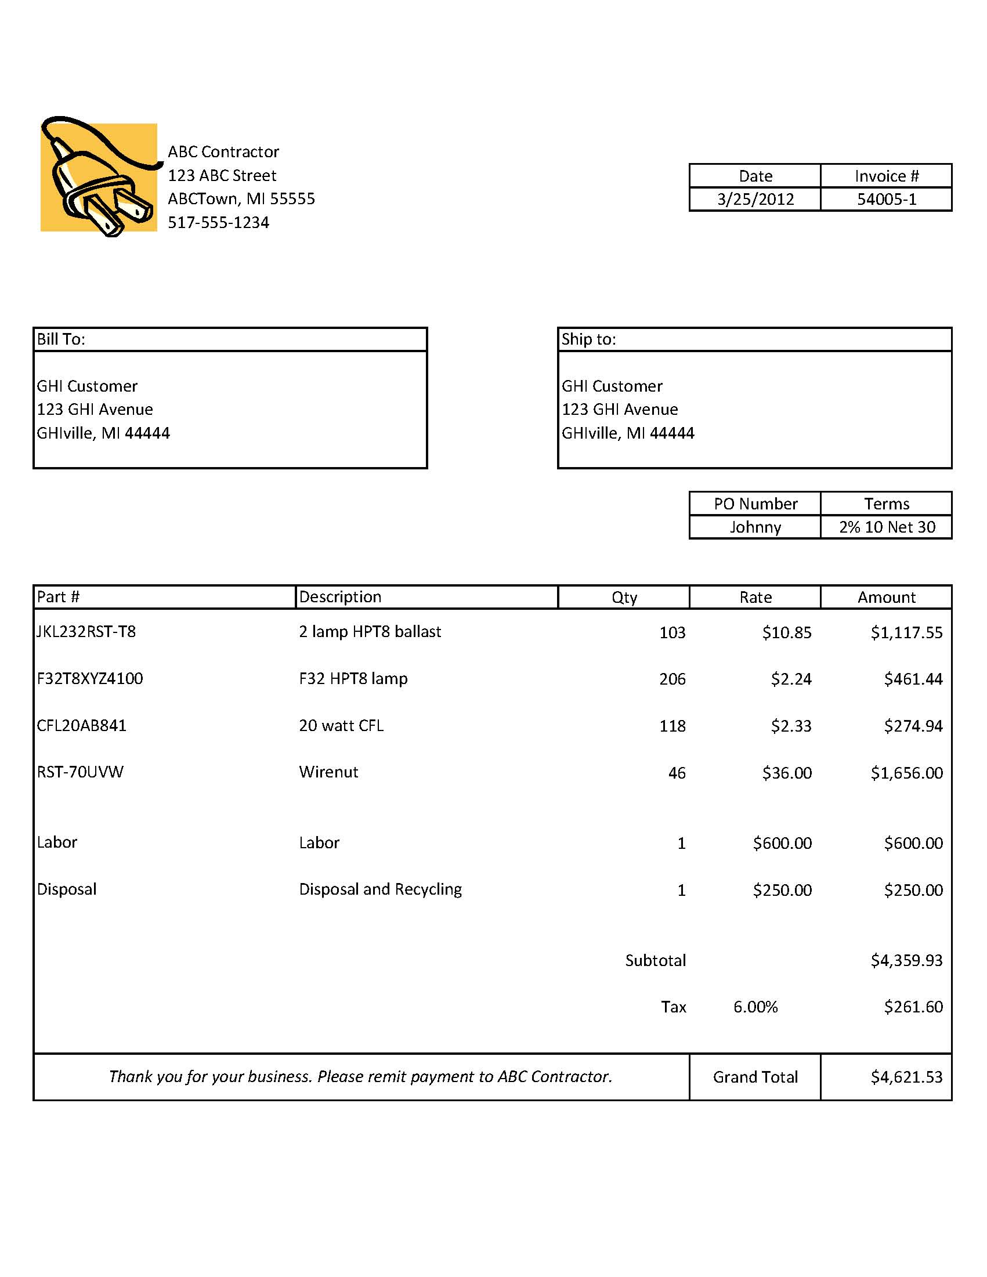
LABOR AND OTHER EXPENSES LISTED SEPARATELY FROM MATERIALS
TOTAL INVOICE AMOUNT
LINE ITEM PRICE FOR EACH MATERIAL
PRODUCT QUANTITY
COMPLETE PRODUCT MODEL NUMBERS
CUSTOMER INFORMATION
DATE
CONTRACTOR INFORMATION

Terms and Conditions 1
ENERGY SMART Program
Brought to you by
Traverse City Light & Power
Commercial & Industrial Application for Energy Efficiency Incentives

TERMS AND CONDITIONS
1 | Incentive Offer: Projects must be implemented (completed) by December 31, 2012. Projects must result in reduced electric energy usage due to improvement in the system efficiency; control upgrades may also qualify. Reduced electric use resulting from peak shaving, demand limiting, fuel switching, power generation, renewable energy, or operating schedule changes does not qualify. To qualify, lighting must be used a minimum of 1,800 hours per year and other equipment must operate a minimum of 1,500 hours per year.
2 | Compliance:
 | a. All projects must comply with applicable federal, state and local laws and building codes.
 | b. All equipment must be new or retrofitted with new components per the program specifications. Used or rebuilt equipment is not eligible for incentives. Existing equipment, not part of a retrofit, must be removed or permanently disconnected.
 | c. New equipment must meet specification requirements.
 | d. Existing equipment must be operational when the application is submitted.
 | e. Only one incentive will be granted for each project.
 | f. Customers can submit multiple projects in a calendar year, however, the incentive totals cannot exceed the “incentive limit” cap per year.
 | g. All projects must be a retrofit/replacement installation in an existing building (not available for new construction).
 | h. If the project is in a leased building, the term of the lease must be at least three (3) years and a lease agreement may be requested.
 | i. Up to 24 months of Utility Usage information may be requested.
...

Terms and Conditions 2
ENERGY SMART Program
Brought to you by
Traverse City Light & Power
Commercial & Industrial Application for Energy Efficiency Incentives

TERMS AND CONDITIONS
10 | Publicity: Traverse City reserves the right to publicize your participation in this program, unless you specifically request otherwise.

11 | Program Discretion: Incentives are available on a first-come, first-served basis. Incentive amounts and offerings are subject to change or termination without notice at the discretion of Traverse City.

12 | Logo Use: Customers or allies may not use Traverse City nor the Energy Smart name or logo in any marketing, advertising, or promotional material without written permission.

13 | Disclaimers: Traverse City:
 | a. does not endorse any particular manufacturer, product, labor or system design by offering these programs;
 | b. will not be responsible for any tax liability imposed on the customer as a result of the payment of incentives;
 | c. does not expressly or implicitly warrant the performance of installed equipment or contractor’s quality of work (contact your contractor for detailed warranties);
 | d. is not responsible for the proper disposal/recycling of any waste generated as a result of this project;
...

